Assignment Part 1
Assignment |  |  | Cost $ per Student | TX | CA | DC | NY |  | AS-TX | AS-CA | AS-DC | AS-NY | COL-TX | COL-CA | COL-DC | COL-NY
Source | Symbol | Supply (At Least) | AS | 3000 | 2500 | 5000 | 4000 | Maximize | 0 | 0 | 300 | 800 | 750 | 650 | 0 | 0 |  | [Yellow cells are variable cells.]
Analytics School | AS | 1,000 | COL | 4500 | 4000 | 1500 | 2000 | Obj. Coef. | 1 | 1 | 1 | 1 | 1 | 1 | 1 | 1 | 2,500 | [Green cell is objective.]
College | COL | 1,400
 |  |  |  |  |  |  |  | S.T.
Location | Symbol | Demand (At Most) |  |  |  |  |  | AS | 1 | 1 | 1 | 1 |  |  |  |  | 1100 | >= | 1000
Texas | TX | 750 |  |  |  |  |  | COL |  |  |  |  | 1 | 1 | 1 | 1 | 1400 | >= | 1400
California | CA | 650 |  |  |  |  |  | TX | 1 |  |  |  | 1 |  |  |  | 750 | <= | 750
DC | DC | 300 |  |  |  |  |  | CA |  | 1 |  |  |  | 1 |  |  | 650 | <= | 650
New York | NY | 800 |  |  |  |  |  | DC |  |  | 1 |  |  |  | 1 |  | 300 | <= | 300
 |  |  |  |  |  |  |  | NY |  |  |  | 1 |  |  |  | 1 | 800 | <= | 800
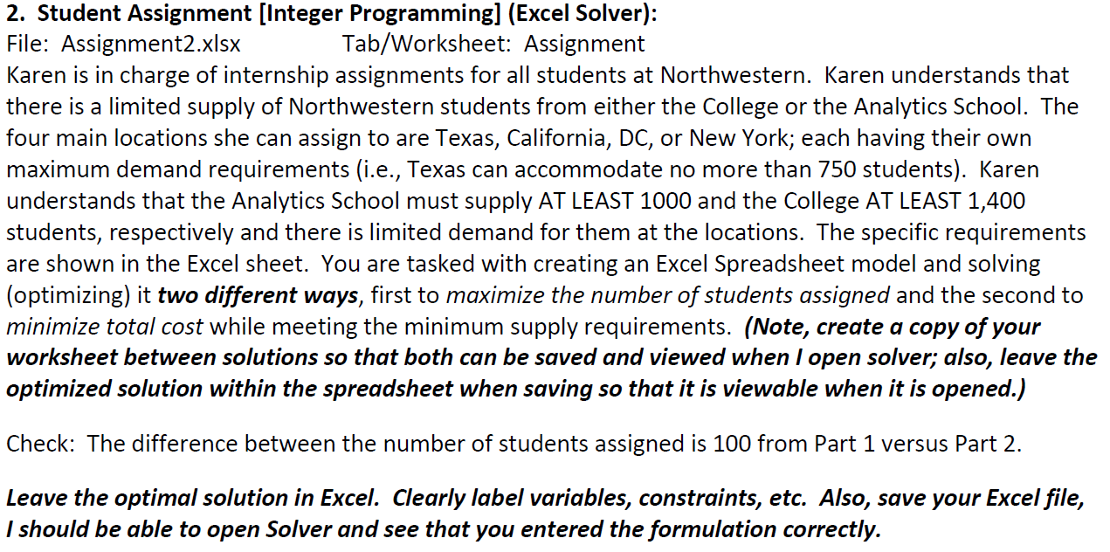

TX
≤750

AS
≥1000
CA
≤650

COL
≥1400
DC
≤300

NY
≤800

Assignment Part 2
Assignment |  |  | Cost $ per Student | TX | CA | DC | NY |  | AS-TX | AS-CA | AS-DC | AS-NY | COL-TX | COL-CA | COL-DC | COL-NY
Source | Symbol | Supply (At Least) | AS | 3000 | 2500 | 5000 | 4000 | Minimize | 350 | 650 | 0 | 0 | 300 | 0 | 300 | 800 |  | [Yellow cells are variable cells.]
Analytics School | AS | 1,000 | COL | 4500 | 4000 | 1500 | 2000 | Obj. Coef. | 3000 | 2500 | 5000 | 4000 | 4500 | 4000 | 1500 | 2000 | 6,075,000 | [Green cell is objective.]
College | COL | 1,400
 |  |  |  |  |  |  |  | S.T.
Location | Symbol | Demand (At Most) |  |  |  |  |  | AS | 1 | 1 | 1 | 1 |  |  |  |  | 1000 | >= | 1000
Texas | TX | 750 |  |  |  |  |  | COL |  |  |  |  | 1 | 1 | 1 | 1 | 1400 | >= | 1400
California | CA | 650 |  |  |  |  |  | TX | 1 |  |  |  | 1 |  |  |  | 650 | <= | 750
DC | DC | 300 |  |  |  |  |  | CA |  | 1 |  |  |  | 1 |  |  | 650 | <= | 650
New York | NY | 800 |  |  |  |  |  | DC |  |  | 1 |  |  |  | 1 |  | 300 | <= | 300
 |  |  |  |  |  |  |  | NY |  |  |  | 1 |  |  |  | 1 | 800 | <= | 800

TX
≤750

AS
≥1000
CA
≤650

COL
≥1400
DC
≤300

NY
≤800

